GNSS
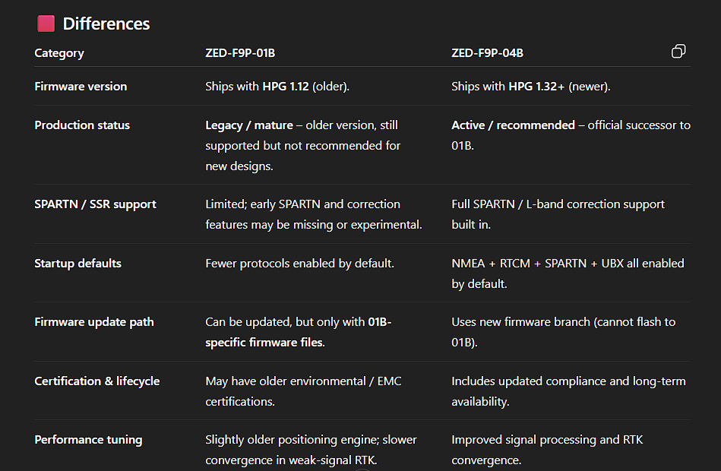
 |  |  |  |  |  | Unit price
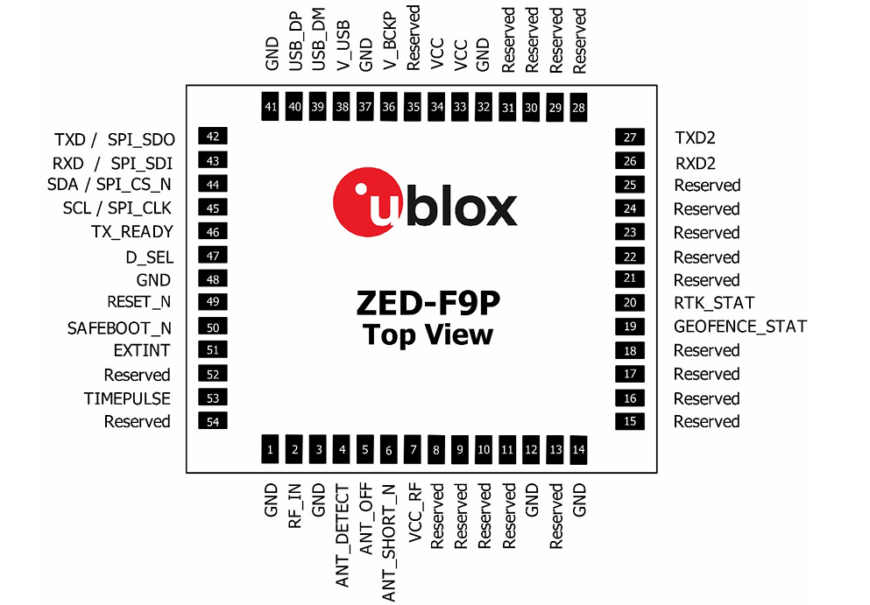
ZED-F9P-04B |  |  | Datasheet |  | Integration Mannual | $129.00

V backup requirment |  |  | yes
Add MMC mag
Exposed both UART |  |  | yes
I2C flash for ZED |  |  | there is no enough details in reference sheets |  |  | no need
LED driver + RGB LED |  |  | no need
need to add REST |  |  | yes

Power

Battery Backup System

Battery voltage 3V
Battery capacity 5.5mAh

ZED-F9P peak current 130mA |  |  |  | Regulator output current 500mA

ZED typical battery backup current 45uA |  |  |  |  |  |  | For MS621FE-FL11E battery
 |  |  |  |  |  |  | battery charging current set to 1mA while charging through 3K ohm

Communication Interfaces

UART1 |  | host interface for configuration, monitoring and contro
UART2 |  | not support for firmware upgrade, safeboot or backup modes functionalities. No startup boot screen is sent out from UART2

Antenna
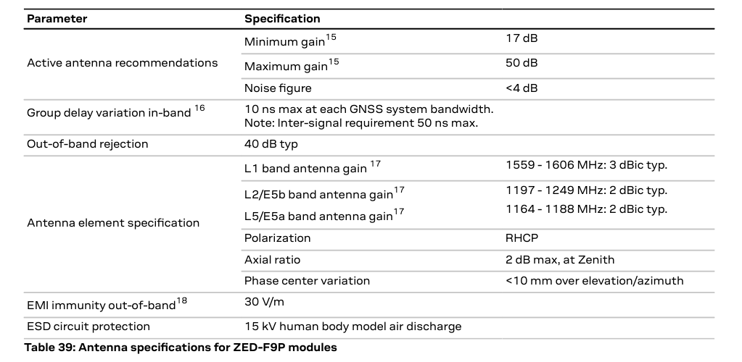
The ZED-F9P requires an active antenna with an integrated LNA

 | ZED-F9P-01B and ZED-F9P-04B

